Claim Instructions
NCDOT - LOCAL PROGRAMS MANAGEMENT OFFICE
Reimbursement Claim Instructions

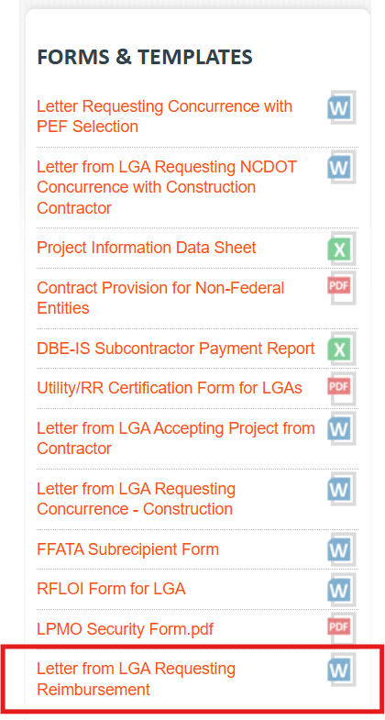
 | 1 | Download the template reimbursement claim cover letter from the LPMO website.
 |  | https://connect.ncdot.gov/municipalities/Funding/Pages/LPM%20Handbook.aspx

 | 2 | Follow the instructions on the Cover Letter Template.
 |  | Instructions are in red text and should be deleted when completed.

 | 3 | Complete the Invoice Tracking Worksheet
 |  | The Invoice Tracking Worksheet helps the LGA keep track of which invoices have already been submitted for reimbursement. Please update the worksheet after every reimbursement claim submission to prevent duplication of claims which can delay reimbursement.

 | 4 | Complete the Claim Form in EBS.
 |  | All fields must match the information in the Cover Letter or the claim will be returned.

 |  |  | Remittance Address
 |  |  | Date Prepared
 |  |  | Invoice Number
 |  |  | Invoice Period
 |  |  | Expense Amounts

 | 5 | Attach all supporting documentation in EBS

 |  |  | Cover Letter
 |  |  | DBE-IS Form
 |  |  | Invoices/Pay Applications from Vendor/Contractor
 |  |  | Copies of cancelled checks (front and back) or certified bank statement
 |  |  | Current FFATA Form
 |  |  | Invoice Tracking Worksheet

 | 6 | Submit Claim

